Sheet1
DATA KEHATI SHOES
NO. | NAMA | KODE | WARNA | JENIS MATERIAL | MODEL | GAMBAR

1 | Sarah | SRH-SEP18-PRLND | Pearl nude | Mario PVC | Pump shoes | 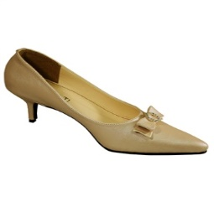
2 | Vala | VL-SEP18-YLW | yellow mustard | Kunkun Leather | Pointed mocassin
3 | Yama | YM-SEP18-NVBL | Navy blue | Classic Napa PVC | Pointed mocassin
4 | Olla | OLL-SEP18-MRN | Maroon | Vicky Leather | Mulle | 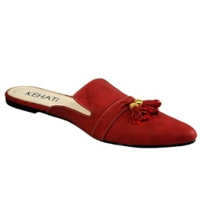
5 | Gatan | GTN-SEP18-ELCBL | Electric Blue | artificial leather | Pointed mocassin | 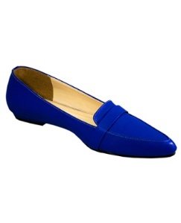
6 | Daria | DRA-SEP18-BBPNK | Baby Pink | Classic Napa PVC | Pointed flat shoes | 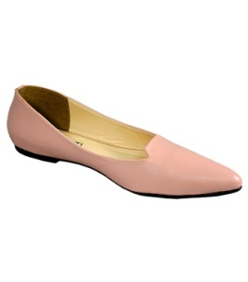
7 | Dany | DNY-SEP18-TSC | Tosca | Classic Napa PVC | Pointed flat shoes | 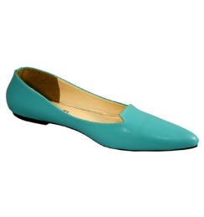
8 | Rafa | RAF-SEP18-LGHRD | Light Red | Classic Napa PVC | Pointed mocassin | 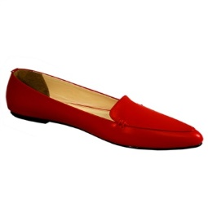
9 | Calia | CLA-SEP18-OFWHT | Of white | Lina PVC | Mulle | 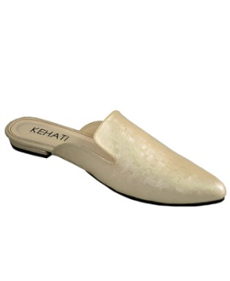
10 | Wyna | WNA-SEP18-GLSBLK | Glossy Black | Ferdinand Leather | Pump shoes | 